Youku's Movie
We get result but it was not as per requirement, also issue with special character.

Note : | REQUIRE RESULT IN CHINESE LANGUAGE ONLY

Step: 1 | Go to link: http://movie.youku.com/search (Open this link in Google Chrome for better results)

Step: 2 | Find “地区”or “Region” (If we see it in English translation) on the top right hand portion of the page.
 | This lists all countries like Mainland, Hong Kong, Taiwan, Korea, Japan, etc., where the VOD offering is avaiable.
 | Click on a county (Make sure no other selection is done i.e. only the country is selected with all genre and years) and you will see list of movie titles that being offered in that country.
 | Make sure to check next pages for complete list each time.

Step: 3 | Now Locate “类型”or “Type” (If we see it in English translation) on the top right hand side of the page and just down to “Region”. This lists all genre like Martial Arts, Cops and Robbers, Crime, Science Fiction etc.
 | Click on a genre ((Make sure no other selection is done i.e. only the Genre is selected with all region and years) and you will see list of movie titles that being offered in that genre.
 | Make sure to check next pages for complete list each time.

Step: 4 | Now, find “上映”or “Released” (if we see it in English translation) on the top right hand side of the page and just down to “Type”.
 | This lists all Years starting from 2012 to going back to 2000 and than 1990s, 1980s and 1970s. Click on a year ((Make sure no other selection is done i.e. only the year is selected with all region and types) and you will see list of movie titles that released in that year.
 | Make sure to check next pages for complete list each time.

Step: 2 Step: 3 Step:4

 | Main Genre | Title
 | (Region/Type/Release Year)

Xunlei_By Genre
Special Character Issue, so could not cross verify as language itself is difficulat to identify the result.

Step: 1 | Open below links for different genre.
 | http://movie.xunlei.com/type,genre/movie,Action/ |  |  | Action
 | http://movie.xunlei.com/type,genre/movie,Comedy/ |  |  | Comedy
 | http://movie.xunlei.com/type,genre/movie,Romance/ |  |  | Romance
 | http://movie.xunlei.com/type,genre/movie,Sci-Fi/ |  |  | Sci-Fi
 | http://movie.xunlei.com/type,genre/movie,Disaster/ |  |  | Disaster
 | http://movie.xunlei.com/type,genre/movie,Horror/ |  |  | Horror
 | http://movie.xunlei.com/type,genre/movie,Mystery/ |  |  | Mystery
 | http://movie.xunlei.com/type,genre/movie,Fantasy/ |  |  | Fantasy
 | http://movie.xunlei.com/type,genre/movie,War/ |  |  | War
 | http://movie.xunlei.com/type,genre/movie,Crime/ |  |  | Crime
 | http://movie.xunlei.com/type,genre/movie,Thriller/ |  |  | Thriller
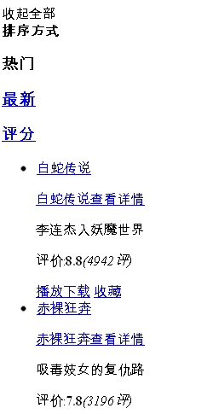
 | http://movie.xunlei.com/type,genre/movie,Animation/ |  |  | Animation
 | http://movie.xunlei.com/type,genre/movie,Ethics/ |  |  | Ethics
 | http://movie.xunlei.com/type,genre/movie,Documentary/ |  |  | Documentary
 | http://movie.xunlei.com/type,genre/movie,Drama/ |  |  | Drama

Title
Step: 2 | Rip the title out of it. Normally a title follows the bullet sign.
 | Title would availabl at some upper middle of the page like below snap.

Page numbers

Note | Rip the title from particular link for all pages.

Final Output

Action | Comedy | Romance | Sci-Fi | Disaster | etc..
白蛇传说 | 青春失乐园 | 白蛇传说 | 海洋
赤裸狂奔 | 幸福额度 | 幸福额度 | 亚瑟3:终极对决
裸夜淫魔 | 刺客公敌 | 强奸之恋 | 湖底魔兽
刺客公敌 | 疾速行动 | 李献计历险记 | 街头霸王:春丽传奇
特工008 | 人间色相 | 画壁 | 越空魔龙
狂暴飞车3D | 万有引力 | 正·青春 | 火线重生
画壁 | 新小鬼当家 | 紫宅 | 拳神

Xunlei_By Area
Special Character Issue, so could not cross verify as language itself is difficulat to identify the result.

Step: 1 | Open below links as per Country and Regions
 | http://movie.xunlei.com/type,area/movie,8/ |  |  | Mainland
 | http://movie.xunlei.com/type,area/movie,3/ |  |  | Hong Kong
 | http://movie.xunlei.com/type,area/movie,4/ |  |  | Taiwan
 | http://movie.xunlei.com/type,area/movie,12/ |  |  | Japan
 | http://movie.xunlei.com/type,area/movie,1/ |  |  | Korea
 | http://movie.xunlei.com/type,area/movie,2/ |  |  | United States
 | http://movie.xunlei.com/type,area/movie,5/ |  |  | Britain
 | http://movie.xunlei.com/type,area/movie,13/ |  |  | France
 | http://movie.xunlei.com/type,area/movie,6/ |  |  | Germany
 | http://movie.xunlei.com/type,area/movie,20/ |  |  | Thailand
 | http://movie.xunlei.com/type,area/movie,39/ |  |  | India
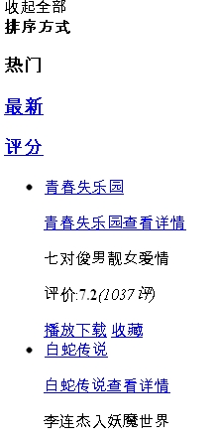
 | http://movie.xunlei.com/type,area/movie,9/ |  |  | Italy
 | http://movie.xunlei.com/type,area/movie,19/ |  |  | Spain
 | http://movie.xunlei.com/type,area/movie,24/ |  |  | Canada
 | http://movie.xunlei.com/type,area/movie,*/ |  |  | Other

Title
Step: 2 | Rip the title out of it. Normally a title follows the bullet sign.
 | Title would availabl at some upper middle of the page like below snap.

Note | Rip the title from particular link for all pages.

Final Output

Mainland | Hong Kong | Taiwan | etc…
青春失乐园 | 赤裸狂奔 | 追梦3DNA
白蛇传说 | 女子监狱 | 鸡排英雄
幸福额度 | 人间色相 | 大小老千
黑客悲情 | 龙在江湖 | 如梦
假如没有你 | 龙虎风云 | 爱的发声练习
李献计历险记 | 赤裸特工 | 弹道

Xunlei_By Year
Special Character Issue, so could not cross verify as language itself is difficulat to identify the result.

Step: 1 | Open below links for different Years
 | http://movie.xunlei.com/type,year/movie,2011/ |  |  | 2011
 | http://movie.xunlei.com/type,year/movie,2010/ |  |  | 2010
 | http://movie.xunlei.com/type,year/movie,2009/ |  |  | 2009
 | http://movie.xunlei.com/type,year/movie,2008/ |  |  | 2008
 | http://movie.xunlei.com/type,year/movie,2007/ |  |  | 2007
 | http://movie.xunlei.com/type,year/movie,2006/ |  |  | 2006
 | http://movie.xunlei.com/type,year/movie,2005/ |  |  | 2005
 | http://movie.xunlei.com/type,year/movie,2004/ |  |  | 2004
 | http://movie.xunlei.com/type,year/movie,2003/ |  |  | 2003
 | http://movie.xunlei.com/type,year/movie,2002/ |  |  | 2002
 | http://movie.xunlei.com/type,year/movie,2001/ |  |  | 2001

 | http://movie.xunlei.com/type,year/movie,2000/ |  |  | 2000
 | http://movie.xunlei.com/type,year/movie,1999/ |  |  | 1999
 | http://movie.xunlei.com/type,year/movie,1998/ |  |  | 1998
 | http://movie.xunlei.com/type,year/movie,*/ |  |  | other
Title
Step: 2 | Rip the title out of it. Normally a title follows the bullet sign.
 | Title would availabl at some upper middle of the page like below snap.

Final Output

2011 | 2010 | 2009 | 2008 | etc..
青春失乐园 | 夜狼 | 海洋 | 特工008
白蛇传说 | 刺客公敌 | 街头霸王:春丽传奇 | 救我
幸福额度 | 孤胆特工 | 超能英雄 | 第四滴血
黑客悲情 | 危情三日 | 特工强档 | 特工的特别任务
假如没有你 | 再吻我一次 | 暮光之城2:新月 | 越空魔龙

Maxdom_Musik
Many Genre seems Blank, so need to work for updating genre for all titles.

Requirement | Title & Genre
Future requirement | N/A


Step: 1 | http://www.maxdome.de/kids
Step: 2 | Hoover over "MUSIKSTILE A-Z" & Click on "Alle Konzerte"
Step: 3 | Collect Genre & Title Alphabetically

Step: 3 | Click on Alphabetisch

Result would look like below:

Maxdome_Serie
Perfect rip except the special character issue.

Requirement | Title
Future requirement | N/A

Step: 1 | http://www.maxdome.de/serie
Step: 2 | Hoover over "SERIE A-Z" & Click on "Alle Serien"
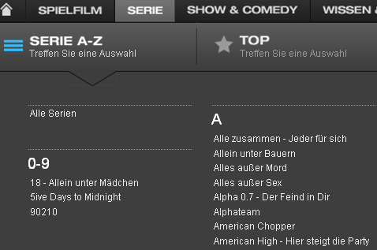

Step: 3 | Click on Alphabetisch

Step: 4 | Collect titles ONLY

Result would look like below:

Tivo_TV
We received perfect result in 1st go, so no action required from your side for this operator.

Requirement | Genre, Title, Price.
Future requirement | Year

Step: 1 | http://www.mytivo.com.au/whatistivo/moviestvmusic/movies/mymovies/
Step: 2 | For each Genre (starting from News Releases), need to collect Title & Price.


 | These are GENRE
 | Enter into each Genre & Rip title & Price for each.

Result would look like below:

Tivo_Movies
We received perfect result in 1st go, so no action required from your side for this operator.

Requirement | Genre, Title, Price.
Future requirement | Year


Step: 1 | http://www.mytivo.com.au/whatistivo/moviestvmusic/movies/mymovies/
Step: 2 | For each Genre (starting from News Releases), need to collect Title & Price.

 | Note: Title & Rating would available after enter into the title.

Result would look like below:

Numericable
There is some change in procedure, so need to take action from scretch

Requirement: | Main Genre, Sub-Genre, Title, Year
Future requirement: | Price

Step: 1 | Open: http://www.numericable.tv/vod/toutes-les-boutiques


Step: 2 | Go to the bottom of the page, where you will see the MAIN Genre under "Toutes nos boutiques VOD"

Step: 3 | Open each one.
 | Eg: First start with "CANALPLAY" where you will see "7 Sub Genre"

Step: 4 | Start ripping tile with 1st Sub-genre "Nouveautés"

Step: 5 | Make sure to RIP all pages avaialble under per Genre

Step: 6 | For easy availability of data, you can change the view as "List" with below mentioned symbol

Step: 7 | Repeate the steps 3 to 6 for 2nd main Genre & other main genres till end.

Required result would look like:

 | Main Genre | Sub-Genre | Title | Year
 | CANALPLAY | Nouveautés | xx | x
 | CANALPLAY | Nouveautés | xx | x
 | CANALPLAY | Films | xx | x
 | CANALPLAY | Films | xxxx | x
 | CANALPLAY | Séries | xxxx | x
 | CANALPLAY | Séries | xxxx | x
 | CANALPLAY | Séries | xx | x
 | CANALPLAY | HD | xx | x
 | MYTF1VOD | Nouveautés | xx | x
 | MYTF1VOD | Nouveautés | xx | x
 | MYTF1VOD | Films | xx | x
 | MYTF1VOD | Films | xxxx | x
 | MYTF1VOD | Séries | xxxx | x
 | MYTF1VOD | Séries | xxxx | x
 | MYTF1VOD | Séries | xx | x
 | MYTF1VOD | HD | xx | x

Filmotech
Requirement | Title, Year, Genre & Price
Future requirement | N/A

Step: 1 | Open: http://www.filmotech.com/V2/ES/FX_CATALOGO.ASP

Step: 2 | As per below snap, click on each genre one by one & collect titles
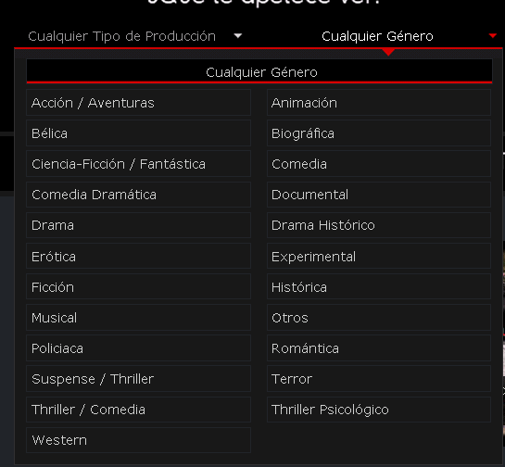

Step: 3 | These are the list of genre
 | Starting from Accion/Adventuras, Belica >> till >> Thriller Psicologico

Step: 4 | Open each genre one by one & rip titles accordingly
 | Require: Genre, Title, Year & Price

Title
Year
Price
Step: 5 | Year & Price would available only If we enter into particular page of movie like below:
 | (Title would available from main page as well as Sub page both)

Result would look like below:

France Telecom_Jeumesse
Special Character Issue, Otherwise the result is perfect.

Requirement | Genre Title, Price & Year
Future requirement | N/A


Step: 1 | http://video-a-la-demande.orange.fr/#vod%2Fcategory%2F182724
Step: 2 | Collect title & year available under each genre starting from Action, Animation/Famille, Arts martiaux…to Inedits en France
Step: 2 | Below snap represent the Genre list, Open each Genre & collect Movie Title & Year

Result would look like below:

 | Genre |  |  | Genre
 | Title | Price | Year | Title | Price | Year

France Telecom_Musique
Special Character Issue, Otherwise the result is perfect.

Requirement | Genre Title, Price & Year
Future requirement | N/A

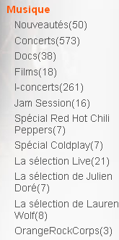
Step: 1 | http://video-a-la-demande.orange.fr/#vod%2Fcategory%2F182724
Step: 2 | Collect title & year available under each genre starting from Action, Animation/Famille, Arts martiaux…to Inedits en France
Step: 2 | Below snap represent the Genre list, Open each Genre & collect Movie Title & Year

Result would look like below:

 | Genre |  |  | Genre
 | Title | Price | Year | Title | Price | Year

France Telecom_Documentaries
Special Character Issue, Otherwise the result is perfect.

Requirement | Genre Title, Price & Year
Future requirement | N/A

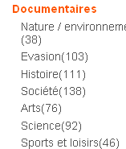
Step: 1 | http://video-a-la-demande.orange.fr/#vod%2Fcategory%2F182724
Step: 2 | Collect title & year available under each genre starting from Action, Animation/Famille, Arts martiaux…to Inedits en France
Step: 2 | Below snap represent the Genre list, Open each Genre & collect Movie Title & Year

Result would look like below:

 | Genre |  |  | Genre
 | Title | Price | Year | Title | Price | Year

France Telecom_Humour
Special Character Issue, Otherwise the result is perfect.

Requirement | Genre Title, Price & Year
Future requirement | N/A

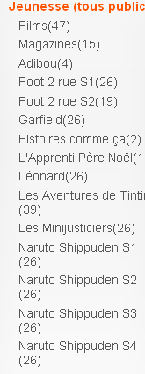
Step: 1 | http://video-a-la-demande.orange.fr/#vod%2Fcategory%2F182724
Step: 2 | Collect title & year available under each genre starting from Action, Animation/Famille, Arts martiaux…to Inedits en France
Step: 2 | Below snap represent the Genre list, Open each Genre & collect Movie Title & Year

Result would look like below:

 | Genre |  |  | Genre
 | Title | Price | Year | Title | Price | Year

France Telecom_Series
Special Character Issue, Otherwise the result is perfect.

Requirement | Genre Title, Price & Year
Future requirement | N/A

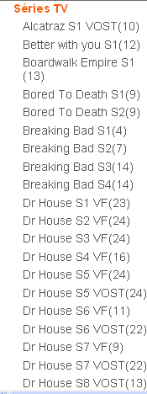
Step: 1 | http://video-a-la-demande.orange.fr/#vod%2Fcategory%2F182724
Step: 2 | Collect title & year available under each genre starting from Action, Animation/Famille, Arts martiaux…to Inedits en France
Step: 2 | Below snap represent the Genre list, Open each Genre & collect Movie Title & Year

Result would look like below:

 | Genre |  |  | Genre
 | Title | Price | Year | Title | Price | Year

France Telecom_Movies
Special Character Issue, Otherwise the result is perfect.

Requirement | Genre Title, Price & Year
Future requirement | N/A

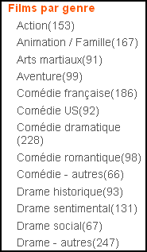
Step: 1 | Open: http://video-a-la-demande.orange.fr/#vod%2Fcategory%2F4
Step: 2 | Collect title & year available under each genre starting from Action, Animation/Famille, Arts martiaux…to Inedits en France
Step: 2 | Below snap represent the Genre list, Open each Genre & collect Movie Title & Year

Result would look like below:

Telecom Italia
Requirement | Main title & Sub title | (Price is also available, so RIP price for each title if possible)
Future requirement | N/A

Step: 1 | http://catalog.cubovision.it/catalog/cinema/listing
Step: 2 | Collect title for all main genre starting from "Family >> In Evidenza >> Sapere>> … >> Serie TV

Main title

Sub Title

 | Here Filmy is called Main heading, while I maghi di waverly is claled "Sub-heading", which will contains several titles

Requirement: We require other RED Highlighted main headings with it's genre.

Note: | Please add Main title as well as sub titles like :
 | Main Title = Kids
 | Sub Title = Dragon Hunter (with approx 20 title)
 | Sub title = Family Junior (with approx 20 title) & lie
 | Main Tite = Lifestyle
 | Sub Title = Cani & Gatti (with approx 20 title)
 | & likewise

Result would look like below:

Terra TV_VDEO CLUBE
Requirement | Genre, Title , Year
Future requirement | Price if available

Step: 1 | http://sundaytv.terra.com.br/Web/VideoClube/128/Filmes/Todos
Step: 2 | Collect all the titles available on this page.

 | Make sure that page opens for Video CLUBE

Step: 3 | If we enter in to particuler title, you will see the result like below;
Genre
Title
Year

 | Make sure to rip all the titles from all the pages.

Result would look like below:

 | Genre | Title | Year
 | xxx | xxxxxxxx | xxxx
 | xxx | xxxxxxxx | xxxx
 | xxx | xxxxxxxx | xxxx
 | xxx | xxxxxxxx | xxxx
 | xxx | xxxxxxxx | xxxx
 | xxx | xxxxxxxx | xxxx

Terra TV_ALUGUEL
Requirement | Genre, Title , Year
Future requirement | Price if available

Step: 1 | http://sundaytv.terra.com.br/Web/VideoClube/128/Filmes/Todos
Step: 2 | Collect all the titles available on this page.

 | Make sure that page opens for ALUGUEL.

Genre
Title
Year
Step: 3 | If we enter in to particuler title, you will see the result like below;

 | Make sure to rip all the titles from all the pages.

Result would look like below:

 | Genre | Title | Year
 | xxx | xxxxxxxx | xxxx
 | xxx | xxxxxxxx | xxxx
 | xxx | xxxxxxxx | xxxx
 | xxx | xxxxxxxx | xxxx
 | xxx | xxxxxxxx | xxxx
 | xxx | xxxxxxxx | xxxx

Result would look like below:

Terra TV_COMPRA
Requirement | Genre, Title , Year
Future requirement | Price if available

Step: 1 | http://sundaytv.terra.com.br/Web/VideoClube/128/Filmes/Todos
Step: 2 | Collect all the titles available on this page.

 | Make sure that page opens for ALUGUEL.

Genre
Title
Year
Step: 3 | If we enter in to particuler title, you will see the result like below;

 | Make sure to rip all the titles from all the pages.

Result would look like below:

 | Genre | Title | Year
 | xxx | xxxxxxxx | xxxx
 | xxx | xxxxxxxx | xxxx
 | xxx | xxxxxxxx | xxxx
 | xxx | xxxxxxxx | xxxx
 | xxx | xxxxxxxx | xxxx
 | xxx | xxxxxxxx | xxxx

Result would look like below:

LoveFilm
Requirement | Genre, Title, Year & Price
Future requirement | N/A

Step: 1 | Open: http://www.lovefilm.com/browse/film/

Step: 2 | Scroll page down till you find list of Genre.


Step: 3 | Open each genre one by one & collect title, Year & Price for each genre.

Result would look like below:

TDC
Requirement | Genre, Title, Year & Price
Future requirement | N/A

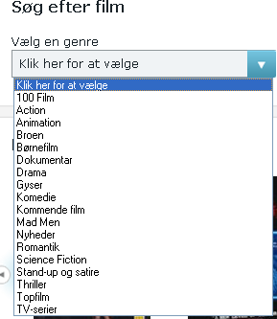
Step: 1 | http://tvguide.tdc.dk/lejfilm/
Step: 2 | Select the genre from the drop down menu under "Vælg en genre" & collect the information

step: 3 | Start ripping titles for each genre starting from "100 Films, Action .. "

Result would look like below:

 | Title should come FULL

Note: | To get the full name, you need to collect title from main page rather than front page.

Shaw Cable_Subsc
Requirement | Genre, Title, Year, Price (SD & HD)
Future requirement | N/A

Step: 1 | http://vod.shaw.ca/subscription/
Step: 2 | Collect all the titles available in each genre like Movie Central, Movies, TV…..Aux TV


 | NotE: Here main tab also contains sub-title, so please cover both titles with main title & sub-title.
 | Eg: Movie Channel has 2 sub title: Movie & TV, so please review snap shot below & format accordingly.

Result would look like below:

Shaw Cable_Movie
Requirement | Genre, Title, Year, Price (SD & HD)
Future requirement | N/A

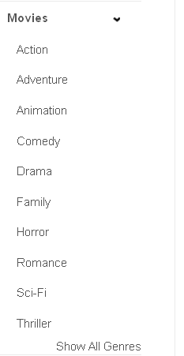
Step: 1 | http://vod.shaw.ca/movie/
Step: 2 | Collect all the titles available in each genre like Action, Adventure, Animation…….Western

Result would look like below:

